Sheet1
http://images.craigslist.org/00G0G_ffR8Oki7N4D_600x450.jpg

dasfdasf
asfdsaffsf | 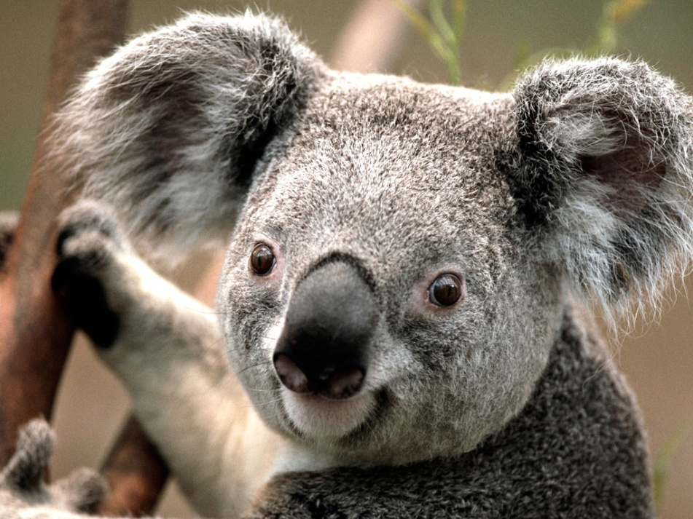
asdfasfdasf

